Sheet1
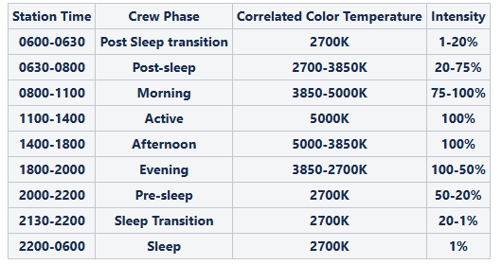
 |  |  |  |  |  |  |  |  |  | Data took from "Animation Master (edited by Timur)" |  |  | 2700K max lm output | 5000K max lm output | mixed - 3850K max lm output
Scan | Time | CCT | Intensity | 2700K % | 5000K % | 2700K lm | 5000K lm | Total lm output | Melanopic DER | Melanopic EDI (lux), normalized to reference: 1000 photopic lux @ 5000 K, 100% intensity | Photopic (lux), normalized to reference: 1000 photopic lux @ 5000 K, 100% intensity | CS | 407 | 432 | 838 | lm
1 | 6:00:00 | 2700 | 1 | 0.8 | 0 | 3 | 0 | 3 | 0.466 | 4 | 8
2 | 6:15:00 | 2700 | 10 | 9.8 | 0 | 40 | 0 | 40 | 0.468 | 43 | 92 | 0.01
3 | 6:30:00 | 2700 | 20 | 20 | 0 | 81 | 0 | 81 | 0.469 | 88 | 188 | 0.19
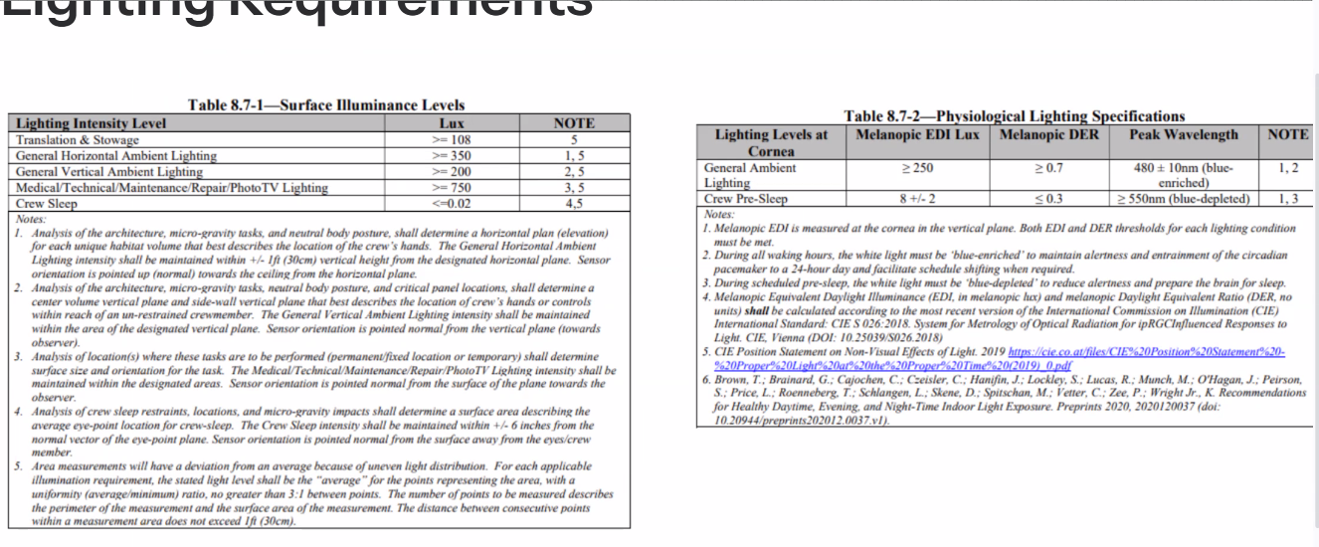
4 | 6:45:00 | 2850 | 25 | 23.9 | 1.2 | 97 | 5 | 102
5 | 7:00:00 | 3000 | 35 | 30.2 | 4.7 | 123 | 20 | 143 | 0.564 | 187 | 332 | 0.31
6 | 7:15:00 | 3250 | 45 | 30.2 | 9.8 | 123 | 42 | 165
7 | 7:30:00 | 3500 | 50 | 29.8 | 15.3 | 121 | 66 | 187 | 0.657 | 285 | 434 | 0.36
8 | 7:45:00 | 3650 | 65 | 40 | 25.5 | 163 | 110 | 273
9 | 8:00:00 | 3850 | 75 | 39.2 | 35.7 | 160 | 154 | 314 | 0.713 | 518 | 726 | 0.47
10 | 8:30:00 | 4000 | 80 | 36.9 | 42.7 | 150 | 184 | 335
11 | 9:00:00 | 4200 | 85 | 32.2 | 52.2 | 131 | 226 | 357 | 0.765 | 631 | 825 | 0.51
12 | 9:30:00 | 4350 | 90 | 30.2 | 60 | 123 | 259 | 382
13 | 10:00:00 | 4500 | 95 | 24.7 | 69.8 | 101 | 302 | 402 | 0.807 | 751 | 931 | 0.54
14 | 10:30:00 | 4750 | 100 | 17.6 | 82.4 | 72 | 356 | 428
15 | 11:00:00 | 5000 | 100 | 0 | 100 | 0 | 432 | 432 | 0.882 | 882 | 1000 | 0.562
16 | 14:00:00 | 5000 | 100 | 0 | 100 | 0 | 432 | 432
17 | 14:30:00 | 4750 | 100 | 17.6 | 82.4 | 72 | 356 | 428 | 0.832 | 824 | 990 | 0.55
18 | 15:00:00 | 4500 | 100 | 26.7 | 72.9 | 109 | 315 | 424
19 | 15:30:00 | 4350 | 100 | 32.5 | 67.1 | 132 | 290 | 422 | 0.785 | 767 | 977 | 0.54
20 | 16:00:00 | 4200 | 100 | 37.6 | 62 | 153 | 268 | 421
21 | 16:30:00 | 4100 | 100 | 41.6 | 57.6 | 169 | 249 | 418 | 0.751 | 727 | 968 | 0.53
22 | 17:00:00 | 4000 | 100 | 44.7 | 55.3 | 182 | 239 | 421
23 | 18:00:00 | 3850 | 100 | 51.8 | 47.8 | 211 | 206 | 417 | 0.716 | 692 | 966 | 0.52
24 | 18:15:00 | 3700 | 95 | 55.3 | 40 | 225 | 173 | 398
25 | 18:30:00 | 3500 | 85 | 55.3 | 29 | 225 | 125 | 350 | 0.661 | 536 | 811 | 0.48
26 | 18:45:00 | 3350 | 80 | 57.3 | 22.7 | 233 | 98 | 331
27 | 19:00:00 | 3200 | 75 | 58 | 16.5 | 236 | 71 | 307 | 0.602 | 428 | 711 | 0.47
28 | 19:15:00 | 3000 | 70 | 58.8 | 11 | 239 | 48 | 287
29 | 19:30:00 | 2850 | 65 | 59.6 | 4.7 | 243 | 20 | 263 | 0.522 | 318 | 609 | 0.41
30 | 19:45:00 | 2850 | 60 | 55.3 | 4.7 | 225 | 20 | 245
31 | 20:00:00 | 2700 | 50 | 49.8 | 0 | 203 | 0 | 203 | 0.465 | 218 | 469 | 0.34
32 | 20:30:00 | 2700 | 40 | 40 | 0 | 163 | 0 | 163
33 | 21:00:00 | 2700 | 35 | 34.9 | 0 | 142 | 0 | 142 | 0.467 | 154 | 329 | 0.27
34 | 21:15:00 | 2700 | 25 | 24.7 | 0 | 101 | 0 | 101
35 | 21:30:00 | 2700 | 20 | 20 | 0 | 81 | 0 | 81 | 0.469 | 88 | 188 | 0.19
36 | 21:45:00 | 2700 | 10 | 10 | 0 | 41 | 0 | 41
37 | 22:00:00 | 2700 | 1 | 0.8 | 0 | 3 | 0 | 3 | 0.469 | 4 | 8

